ART
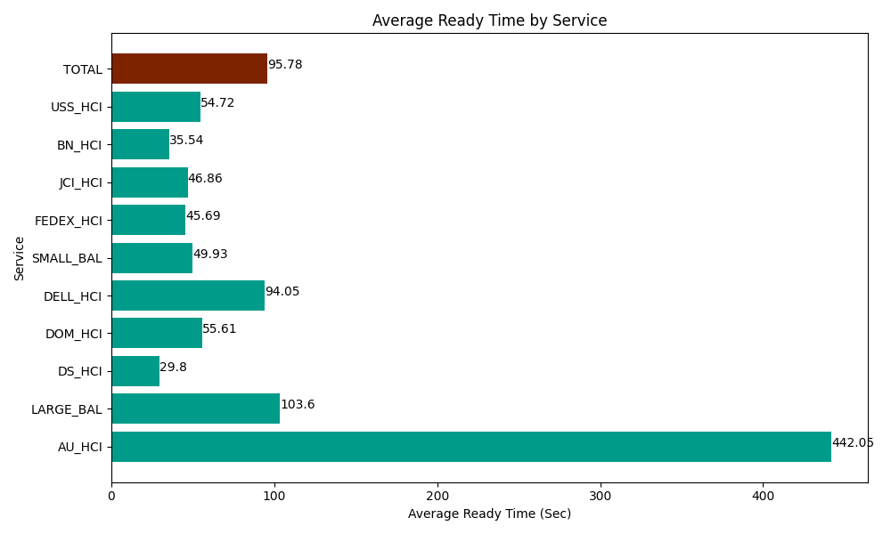
Date | Service | Successful Op Transfer | In Call (Sec) | Ready (Sec) | Wrapup (Sec) | Not Ready (Sec) | Average Ready Time (Sec)
04-04-2024 | AU_HCI | 4 | 855 | 1768.1999588 | 453.00001144 | 364.79999542 | 442.05
04-04-2024 | LARGE_BAL | 3 | 170.99999428 | 310.7999897 | 181.19999886 | 61.799998283 | 103.6
04-04-2024 | DS_HCI | 775 | 49357.800293 | 23092.800293 | 70093.798828 | 81262.199707 | 29.8
04-04-2024 | DOM_HCI | 211 | 13342.800293 | 11734.200439 | 25992.000732 | 12853.799744 | 55.61
04-04-2024 | DELL_HCI | 94 | 10215 | 8841.0003662 | 20077.800293 | 11170.19989 | 94.05
04-04-2024 | SMALL_BAL | 59 | 7237.7998352 | 2945.9999084 | 10006.200256 | 2956.7999268 | 49.93
04-04-2024 | FEDEX_HCI | 138 | 15998.999634 | 6304.8001099 | 11209.80011 | 13856.999817 | 45.69
04-04-2024 | JCI_HCI | 538 | 51061.201172 | 25208.999634 | 63142.199707 | 46666.801758 | 46.86
04-04-2024 | BN_HCI | 822 | 64981.801758 | 29209.799194 | 107021.99707 | 59896.201172 | 35.54
04-04-2024 | USS_HCI | 25 | 2209.1999817 | 1367.9999542 | 2368.7999725 | 1045.2000046 | 54.72
 | TOTAL | 2669 | 215430.60296 | 110784.59985 | 310546.79698 | 230134.80201 | 95.78

